Script
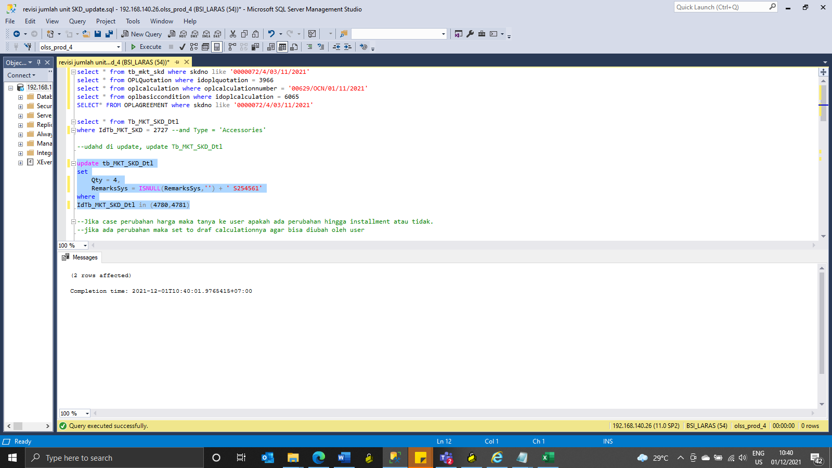
update tb_MKT_SKD_Dtl
set
Qty = 4,
RemarksSys = ISNULL(RemarksSys,'') + ' S254561'
where
IdTb_MKT_SKD_Dtl in (4780,4781)

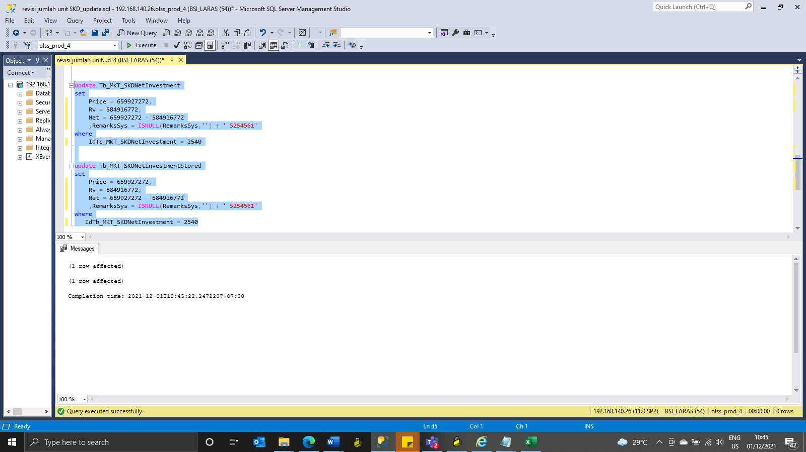
update Tb_MKT_SKDNetInvestment
set
Price = 659927272,
Rv = 584916772,
Net = 659927272 - 584916772
 | ,RemarksSys = ISNULL(RemarksSys,'') + ' S254561'
where
IdTb_MKT_SKDNetInvestment = 2540

update Tb_MKT_SKDNetInvestmentStored
set
Price = 659927272,
Rv = 584916772,
Net = 659927272 - 584916772
 | ,RemarksSys = ISNULL(RemarksSys,'') + ' S254561'
where
IdTb_MKT_SKDNetInvestment = 2540

Screenshot
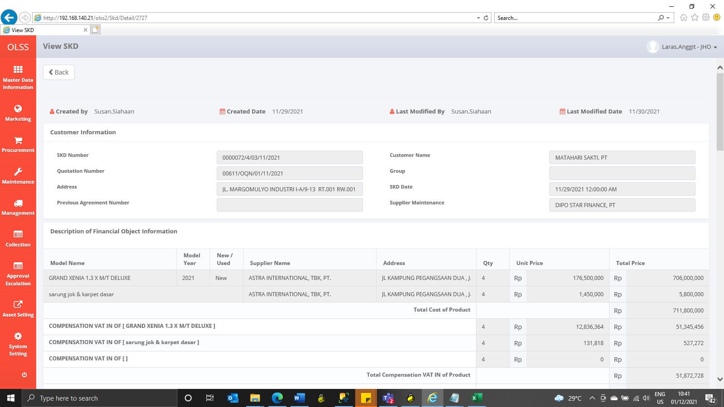
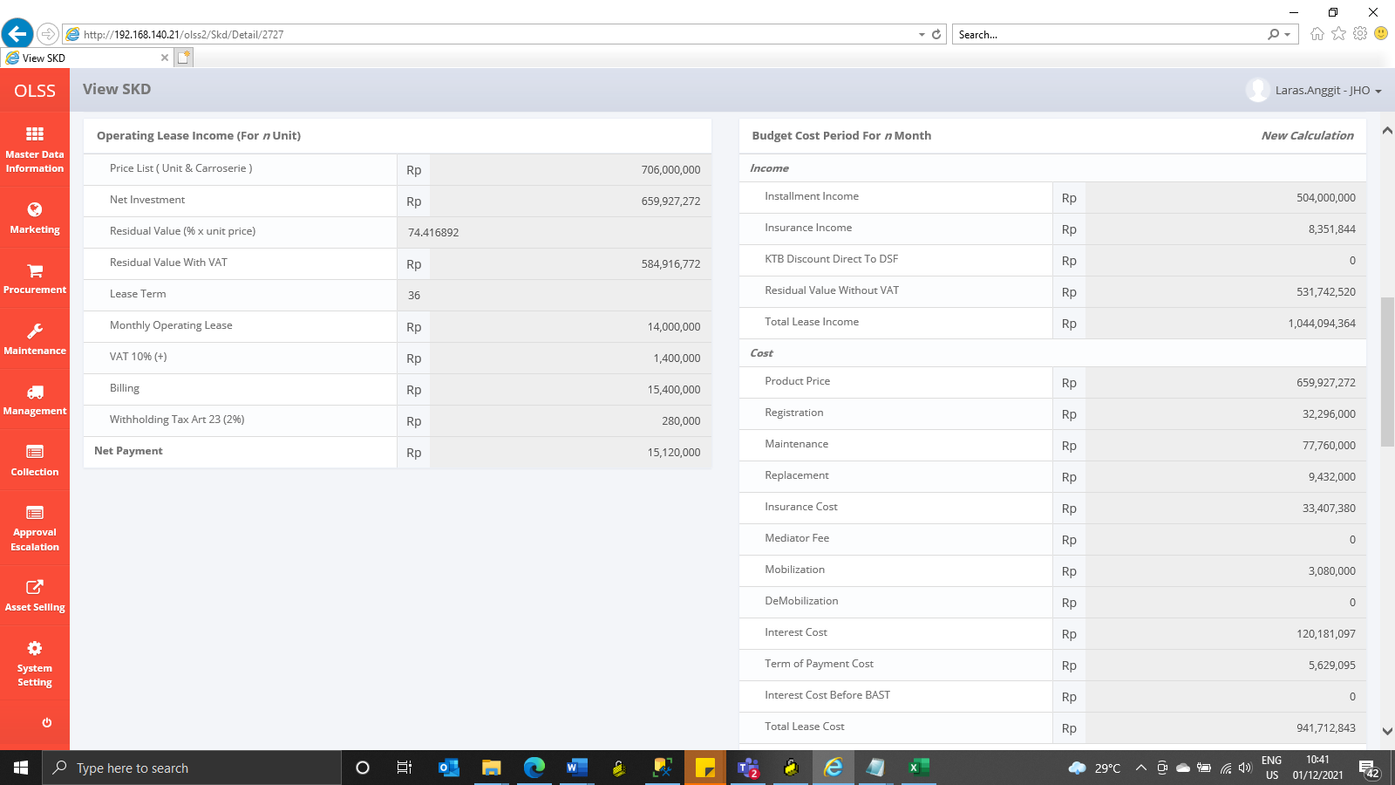
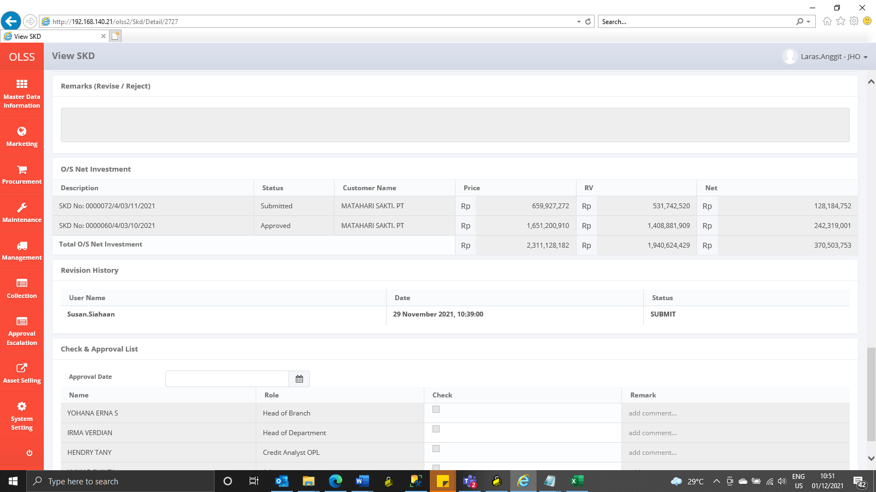
BEFORE
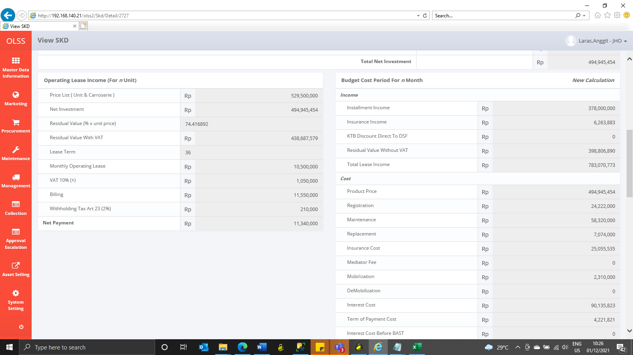
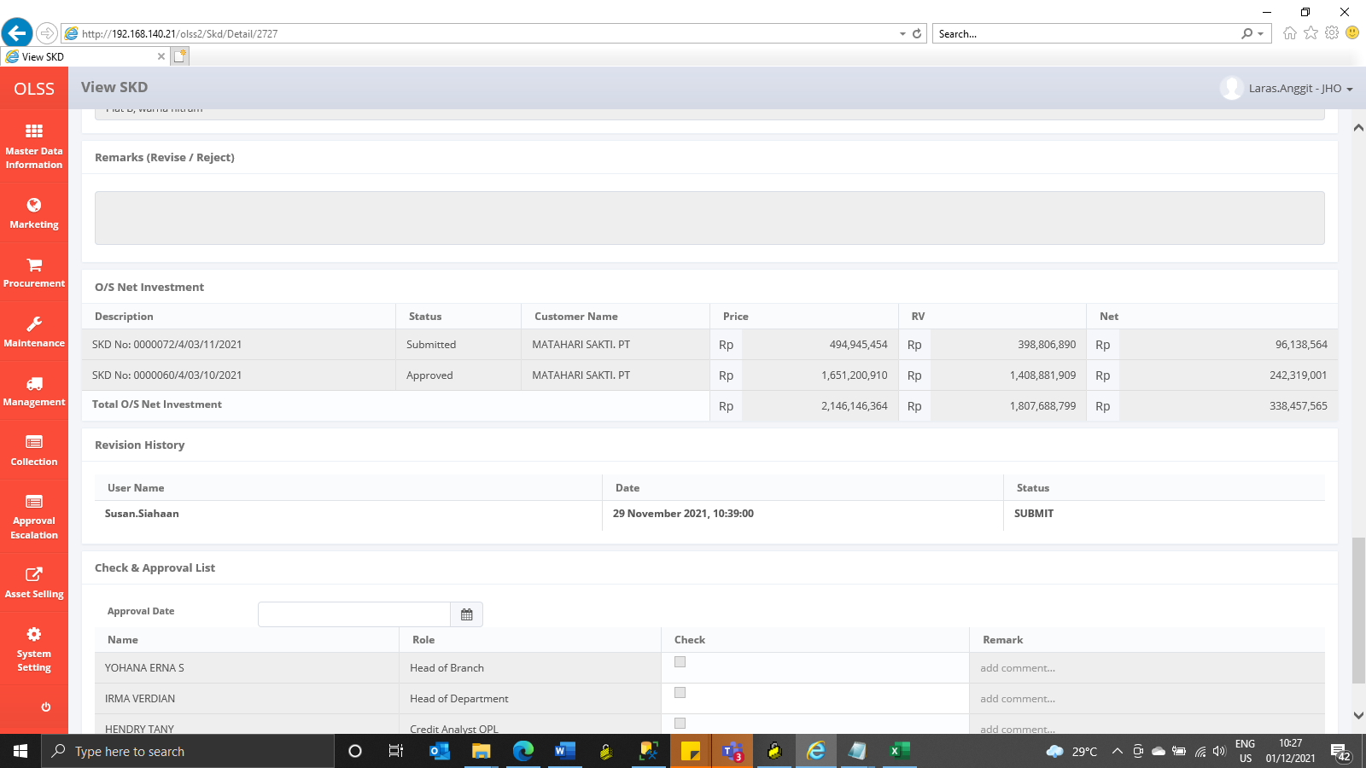


AFTER

